Entities

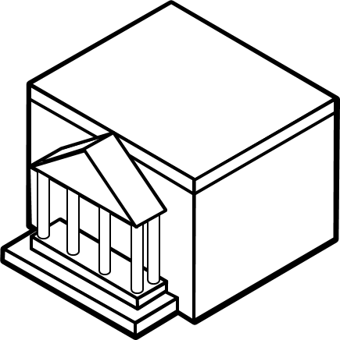


Acquirer | Merchant | Card holders


Issuer | Bank
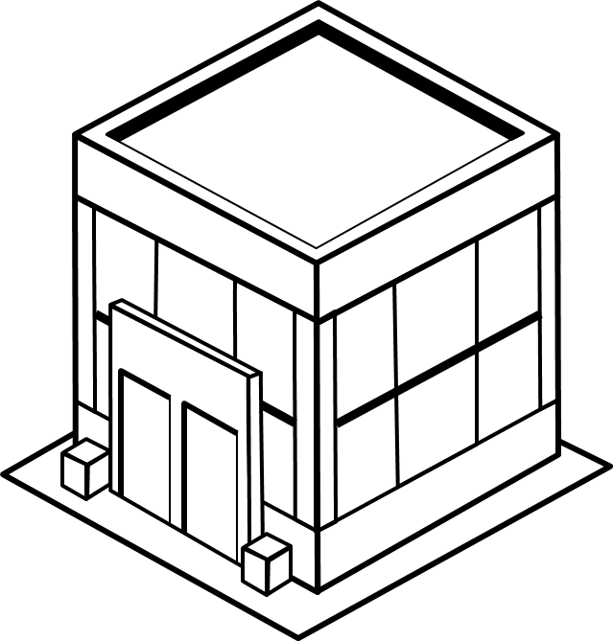
 |  | Person 1

Company

Network-Infrastructure

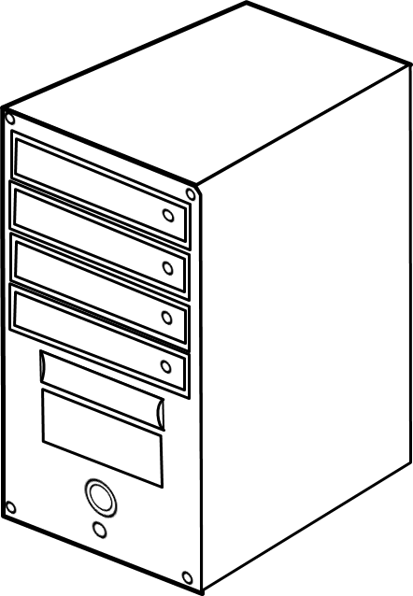

 | EA Server |  | VISA Interchange Center
 |  |  |  |  | Server

AS400
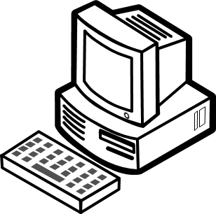

 |  | ROUTER

Edit package

 |  |  |  | Aeon FEP

 |  | Switch

FIREWALL

Equipment
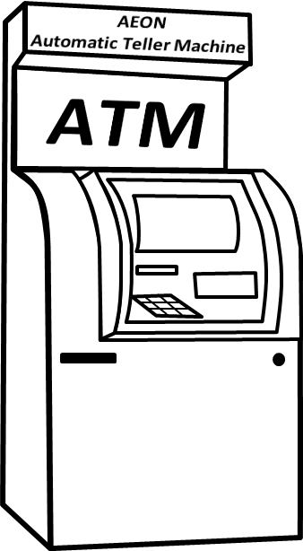

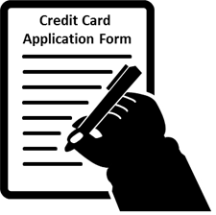

 |  | Documents / Reports
 |  |  |  |  | Printer
 |  |  |  | EDC
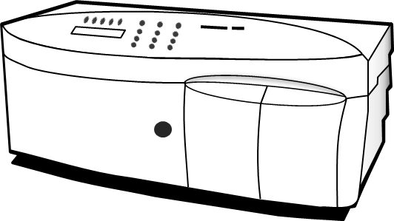
 |  |  |  |  |  | Application

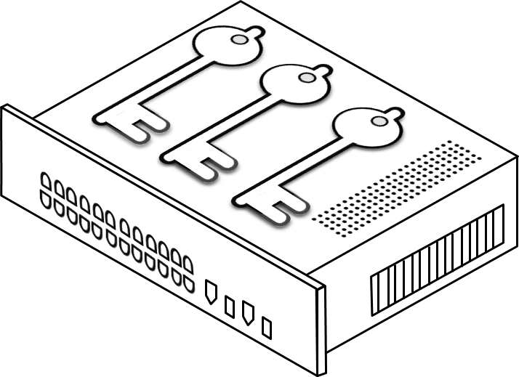
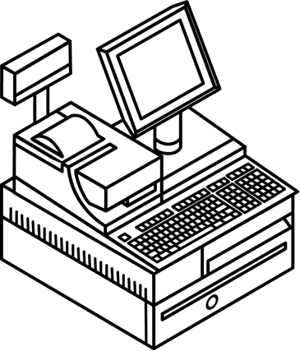
ATM
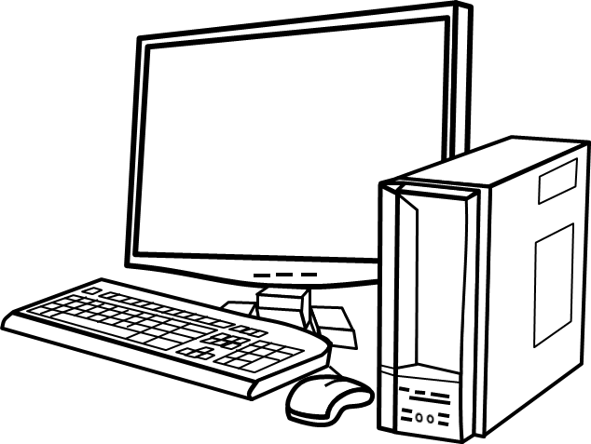

 |  |  |  |  | Card Embossing Machine

 |  | HSM
Workstation

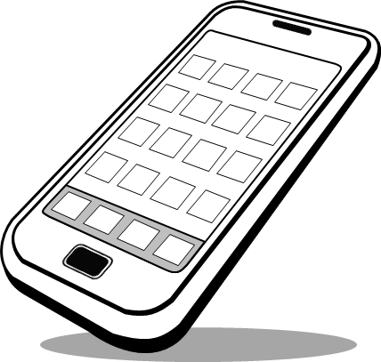
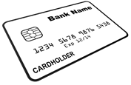
 |  |  |  |  |  | POS Terminal

 |  |  |  |  | Scanner
 |  |  | Credit Card

 | Phone

 | PBX |  |  | SMS Server

Departments
MANAGEMENT | CUSTOMER SERVICE | FINANCE | MAIL ROOM
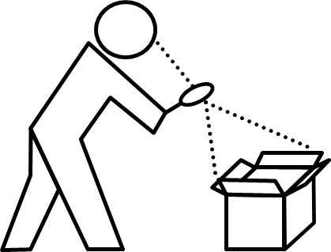

SALES AND MARKETING | LEGAL DEPARTMENT | Credit Investigations | MIS

AUTHORIZATION | MARKETING | INVENTORY
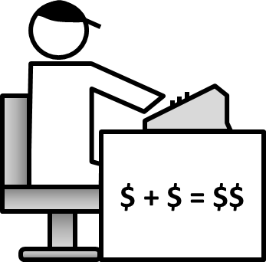

ACCOUNTING | COLLECTIONS | TELCO

